Oct'18
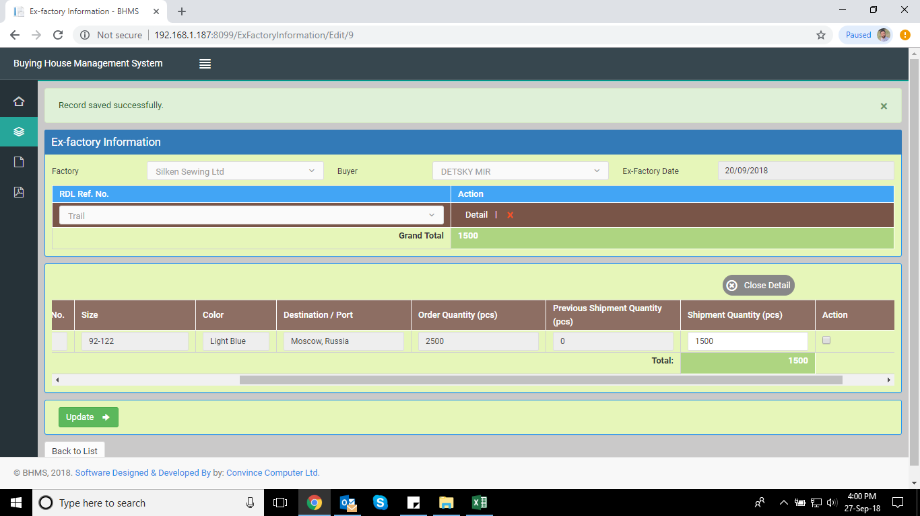
SL No. | Date | Concern name | Problem Details | Feedback from Convince | Feedback Date | Solution Date | Remarks
28 | 1st Oct'18 | Mr. Rahat | Master LC: Ex-fty date showing nothing, need to show ex-factory date
29 | 1st Oct'18 | Mr. Rahat | Master LC: Need to add factory FOB value
30
31
32
33
34
35
36
37
38
39
40

